Theater Outcomes by Launch Date
Parent Category | theater
Year | (All) |  |  |  | Filterable Pivot Table: | Screen Capture:
Theater Outcomes Based on Launch Date
 | successful | failed | canceled
Jan | 56 | 33 | 7
Feb | 71 | 39 | 3
Mar | 56 | 33 | 3
Apr | 71 | 40 | 2
May | 111 | 52 | 3
Jun | 100 | 49 | 4
Jul | 87 | 50 | 1
Aug | 72 | 47 | 4
Sep | 59 | 34 | 4
Oct | 65 | 50
Nov | 54 | 31 | 3
Dec | 37 | 35 | 3
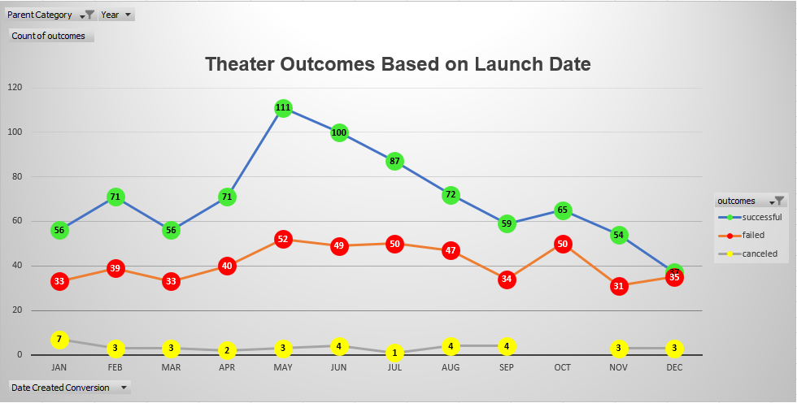
Count of outcomes | Column Labels
Row Labels | successful | failed | canceled | Grand Total
Jan | 56 | 33 | 7 | 96
Feb | 71 | 39 | 3 | 113
Mar | 56 | 33 | 3 | 92
Apr | 71 | 40 | 2 | 113
May | 111 | 52 | 3 | 166
Jun | 100 | 49 | 4 | 153
Jul | 87 | 50 | 1 | 138
Aug | 72 | 47 | 4 | 123
Sep | 59 | 34 | 4 | 97
Oct | 65 | 50 |  | 115
Nov | 54 | 31 | 3 | 88
Dec | 37 | 35 | 3 | 75
Grand Total | 839 | 493 | 37 | 1369

Outcomes Based on Goals
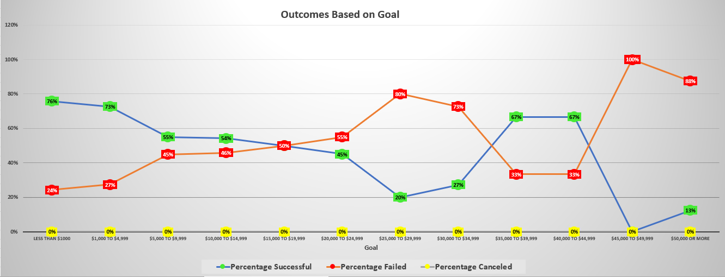
Outcomes Based on Goal
Goal | Number Successful | Number Failed | Number Canceled | Total Projects | Percentage Successful | Percentage Failed | Percentage Canceled | Line Graph:
Less than $1000 | 141 | 45 | 0 | 186 | 76% | 24% | 0%
$1,000 to $4,999 | 388 | 146 | 0 | 534 | 73% | 27% | 0%
$5,000 to $9,999 | 93 | 76 | 0 | 169 | 55% | 45% | 0%
$10,000 to $14,999 | 39 | 33 | 0 | 72 | 54% | 46% | 0%
$15,000 to $19,999 | 12 | 12 | 0 | 24 | 50% | 50% | 0%
$20,000 to $24,999 | 9 | 11 | 0 | 20 | 45% | 55% | 0%
$25,000 to $29,999 | 1 | 4 | 0 | 5 | 20% | 80% | 0%
$30,000 to $34,999 | 3 | 8 | 0 | 11 | 27% | 73% | 0%
$35,000 to $39,999 | 4 | 2 | 0 | 6 | 67% | 33% | 0%
$40,000 to $44,999 | 2 | 1 | 0 | 3 | 67% | 33% | 0%
$45,000 to $49,999 | 0 | 1 | 0 | 1 | 0% | 100% | 0%
$50,000 or more | 2 | 14 | 0 | 16 | 13% | 88% | 0%

Screen Capture:

Category Statistics
Parent Category Outcomes
country | (All) |  |  |  |  | Filtered | All Countries and Categories

Count of outcomes | Column Labels
Row Labels | canceled | failed | live | successful | Grand Total
theater | 37 | 493 | 24 | 839 | 1393
Grand Total | 37 | 493 | 24 | 839 | 1393

Subcategory Statistics
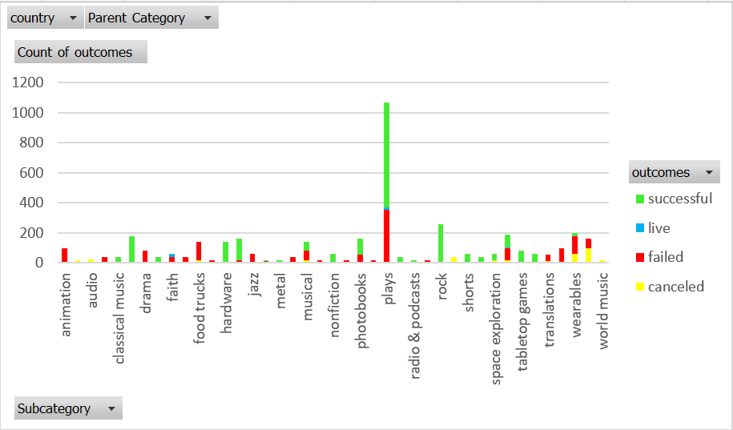
country | (All) |  |  |  | Filtered | All Countries and Subcategories
Parent Category | (All)

Count of outcomes | Column Labels
Row Labels | failed | live | successful | Grand Total
plays | 353 | 19 | 694 | 1066
Grand Total | 353 | 19 | 694 | 1066

